UA - single unit
Urinalysis | *Single unit

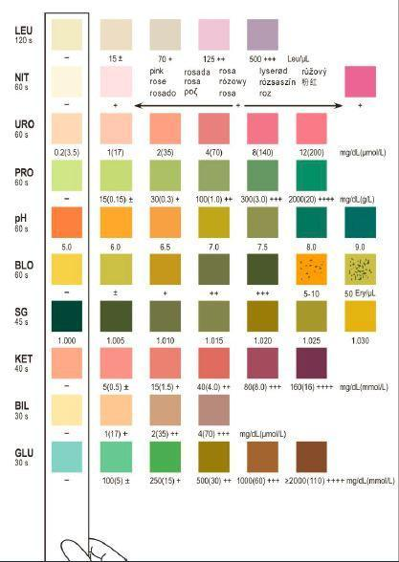
Time frame (s) | Parameter | Normal | Abnormal
30 | Glucose | - | 100 +/- | 250 + | 500 ++ | 1000 +++ | ≥2000 ++++ | mg/dL
30 | Bilirubin | - | 1 + | 2 ++ | 4 +++ | mg/dL
40 | Ketones | - | 5 +/- | 15 + | mg/dL
45 | Specific Gravity | 1.000 | 1.005 | 1.010 | 1.015 | 1.020 | 1.025 | 1.030
60 | Blood | - | +/- | + | 5-10 | 50 Ery/µL
60 | pH | 5.0 | 6.0 | 6.5 | 7.0 | 7.5 | 8.0 | 9.0
60 | Proteins | - | 15 +/- | 30 + | 100 ++ | 300 +++ | 2000 ++++ | mg/dL
60 | Uroglobin | 0.2 | 1 | 2 | 4 | 8 | 12 | mg/dL
60 | Nitrites | - | +
120 | Leukocytes | - | 15 +/- | 70 + | 125 ++ | 500 +++ | Leu/µL

